Sheet1
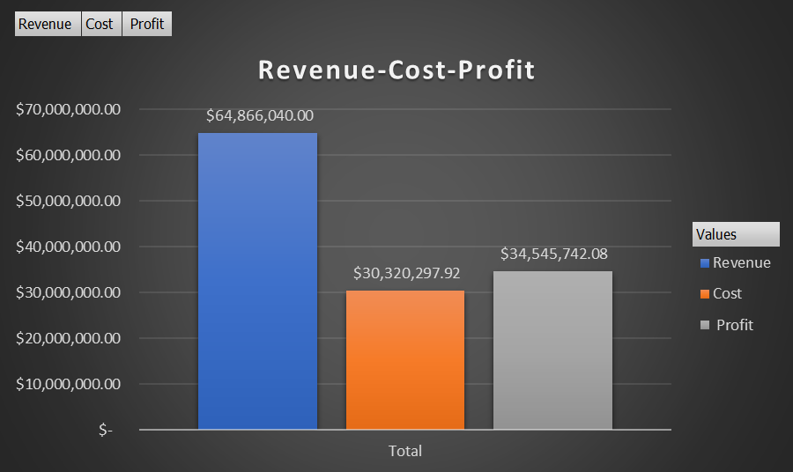
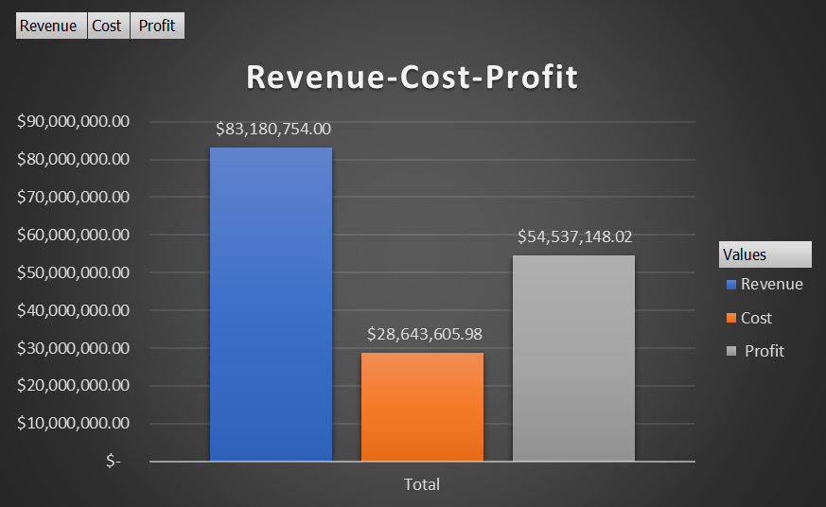
2018 Stats



 | Strategy 1 - Incentives

 | Decrease price per day if rented length is >=5 days. Apply only to cars with price per day <=$165.
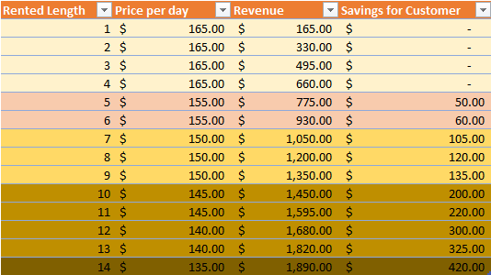

 | Strategy 2 - Remove & Replace

 | Remove bottom 1500 cars in revenue. Replace with 1500 of the top car in revenue.
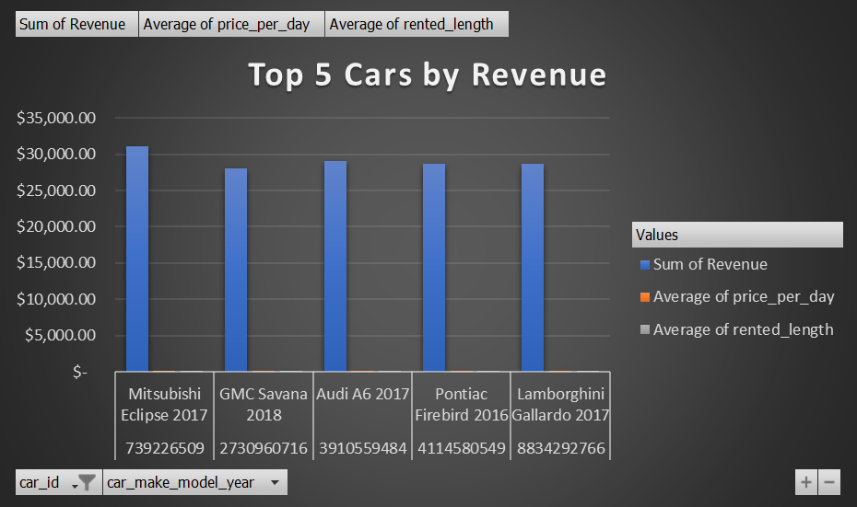

 | Car ID | Rev | Avg of price_per_day | Avg of rented_length
 | 739226509 | 31084.64 | 173.41452381 | 4
 | Mitsubishi Eclipse 2017 | 31084.64 | 173.41452381 | 4
 | 2730960716 | 27994 | 167.34285714 | 5
 | GMC Savana 2018 | 27994 | 167.34285714 | 5
 | 3910559484 | 29130 | 174.97297297 | 4
 | Audi A6 2017 | 29130 | 174.97297297 | 4
 | 4114580549 | 28673 | 167.18421053 | 4
 | Pontiac Firebird 2016 | 28673 | 167.18421053 | 4
 | 8834292766 | 28688 | 151.13888889 | 5
 | Lamborghini Gallardo 2017 | 28688 | 151.13888889 | 5
 | Grand Total | 145569.64 | 167.06601064 | 5

Strategies Combined

 | Remove bottom 1500 cars in revenue. Replace with 1500 of the top car in revenue. Apply special deals to the remaining total cars <= $165.

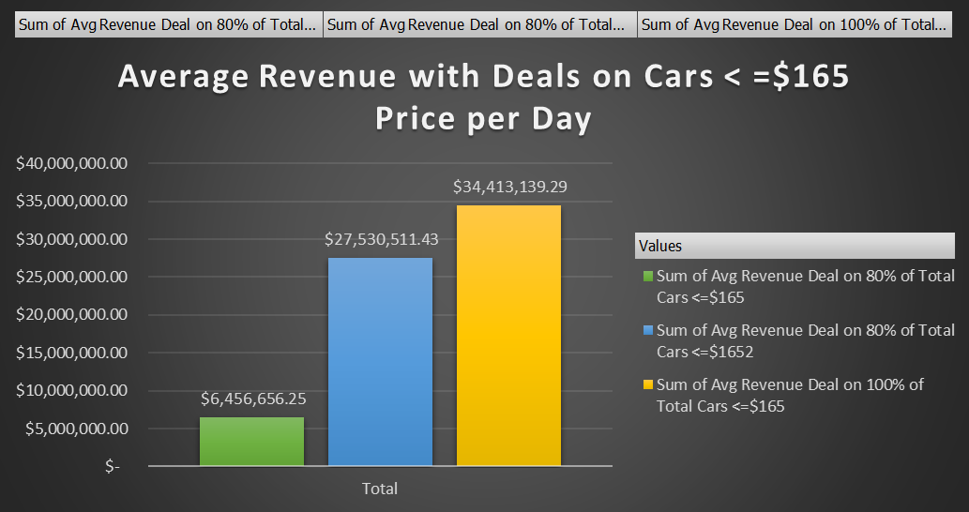

 | 2018 Stats Vs. Stats w. Combined Strategies

RevCostProfit 2018 |  |  |  |  | RevCostProfit w. Strategies Combined

